Data
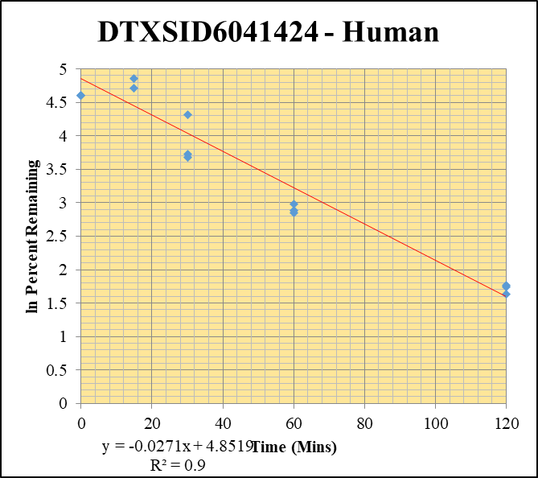
SampleName | CompoundName | Transition | Area | ISTD Area | ISTDResponseRatio | % Remaining | Time (mins) | ln % Remaining | Chart | Table
Blank____1_003 | DTXSID6041424 | 59 | 0 | 2625152.1463 | 0 |  |  |  | DTXSID6041424 - Human | Time (Mins) | % Remaining Replica 1 | % Remaining Replica 2 | % Remaining Replica 3 | Average
Blank____2_004 | DTXSID6041424 | 59 | 0 | 1882735.5676 | 0 |  |  |  | Time (Mins) | 120 | 5% | 6% | 6% | 6%
Blank____3_005 | DTXSID6041424 | 59 | 0 | 2777127.2388 | 0 |  |  |  | ln Percent Remaining | 60 | 20% | 18% | 17.3% | 18%
DTXSID6041424_10uM___120_1_136 | DTXSID6041424 | 59 | 128742.30582 | 1272558.5634 | 0.10116807943 | 5.1018017703 | 120 | 1.6295937656 |  | 30 | 41.5% | 75.2% | 39% | 52.0%
DTXSID6041424_10uM___120_2_137 | DTXSID6041424 | 59 | 135393.87542 | 1137391.039 | 0.11903898552 | 5.7264798202 | 120 | 1.7451009999 |  | 15 | 128% | 111% | 244.5% | 161.3%
DTXSID6041424_10uM___120_3_138 | DTXSID6041424 | 59 | 137925.80147 | 1088574.1815 | 0.12670317174 | 5.8806655804 | 120 | 1.7716699494 |  | 0 | 100% | 100% | 100% | 100%
DTXSID6041424_10uM___60_1_139 | DTXSID6041424 | 59 | 362233.43825 | 930186.45701 | 0.38942024529 | 19.638060819 | 60 | 2.9774695618
DTXSID6041424_10uM___60_2_140 | DTXSID6041424 | 59 | 347360.33618 | 928966.39058 | 0.37392131696 | 17.987828665 | 60 | 2.8896953439 |  | Slope | -0.027136
DTXSID6041424_10uM___60_3_141 | DTXSID6041424 | 59 | 363751.05474 | 978686.95209 | 0.37239467546 | 17.283928414 | 60 | 2.8497770763 |  | Intercept | 4.85
DTXSID6041424_10uM___30_1_142 | DTXSID6041424 | 59 | 870659.96199 | 1058301.9414 | 0.82269523278 | 41.487671 | 30 | 3.7253962988 |  | R2 | 0.900
DTXSID6041424_10uM___30_2_143 | DTXSID6041424 | 59 | 1370151.9392 | 876721.97175 | 1.5628123662 | 75.180525428 | 30 | 4.319892227 |  | T½ (mins) | 25.543764379
DTXSID6041424_10uM___30_3_144 | DTXSID6041424 | 59 | 1000417.9734 | 1178942.1002 | 0.8485726086 | 39.384742017 | 30 | 3.6733784829 |  | CLint (µl/min/106 cells) | 54.3
DTXSID6041424_10uM___15_1_145 | DTXSID6041424 | 59 | 2874211.4057 | 1133473.5172 | 2.5357552357 | 127.87551789 | 15 | 4.8510572742 |  | Comments
DTXSID6041424_10uM___15_2_146 | DTXSID6041424 | 59 | 3009163.8584 | 1298910.922 | 2.3166822354 | 111.44612845 | 15 | 4.7135413212
DTXSID6041424_10uM___15_3_147 | DTXSID6041424 | 59 | 4173717.1769 | 792230.11222 | 5.2683142341 | 244.51790557 | 15 | 5.4992885396
DTXSID6041424_10uM___0_1_148 | DTXSID6041424 | 59 | 4640244.1538 | 2340027.2074 | 1.9829872658 | 100 | 0 | 4.605170186
DTXSID6041424_10uM___0_2_149 | DTXSID6041424 | 59 | 4872710.6305 | 2344062.2392 | 2.0787462675 | 100 | 0 | 4.605170186
DTXSID6041424_10uM___0_3_150 | DTXSID6041424 | 59 | 5077589.8082 | 2357245.6612 | 2.1545719615 | 100 | 0 | 4.605170186

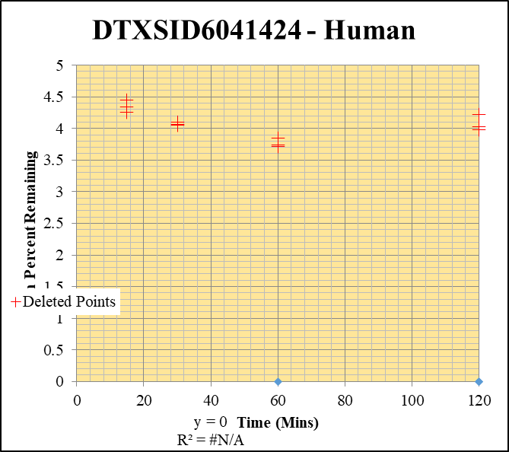
Blank____1_003 | DTXSID6041424 | 59 | 0 | 2625152.1463 | 0 |  |  |  | DTXSID6041424 - Human | Time (Mins) | % Remaining Replica 1 | % Remaining Replica 2 | % Remaining Replica 3 | Average
Blank____2_004 | DTXSID6041424 | 59 | 0 | 1882735.5676 | 0 |  |  |  | Time (Mins) | 120 | 0.0% | 0.0% | 22.20% | 0.0%
Blank____3_005 | DTXSID6041424 | 59 | 0 | 2777127.2388 | 0 |  |  |  | ln Percent Remaining | 60 | 0.0% | 0.0% | 0.0% | 0.0%
DTXSID6041424_1uM___120_1_118 | DTXSID6041424 | 59 | 0 | 1486700.5232 | 0 | 0 | 120 | #NUM! |  | 30 | 0.0% | 0.0% | 0.0% | 0.0%
DTXSID6041424_1uM___120_2_119 | DTXSID6041424 | 59 | 0 | 1765645.2802 | 0 | 0 | 120 | #NUM! |  | 15 | 0.0% | 0.0% | 0.0% | 0.0%
DTXSID6041424_1uM___120_3_120 | DTXSID6041424 | 59 | 74082.131188 | 1796543.3066 | 0.041235928416 | 22.204528606 | 120 | 3.100 |  | 0 | 100% | 100% | 100% | 100%
DTXSID6041424_1uM___60_1_121 | DTXSID6041424 | 59 | 0 | 2009016.4853 | 0 | 0 | 60 | #NUM!
DTXSID6041424_1uM___60_2_122 | DTXSID6041424 | 59 | 0 | 1586508.2413 | 0 | 0 | 60 | #NUM! |  | Slope
DTXSID6041424_1uM___60_3_123 | DTXSID6041424 | 59 | 0 | 1364814.3836 | 0 | 0 | 60 | #NUM! |  | Intercept
DTXSID6041424_1uM___30_1_124 | DTXSID6041424 | 59 | 0 | 1322107.7378 | 0 | 0 | 30 | #NUM! |  | R2
DTXSID6041424_1uM___30_2_125 | DTXSID6041424 | 59 | 0 | 1323476.5185 | 0 | 0 | 30 | #NUM! |  | T½ (mins)
DTXSID6041424_1uM___30_3_126 | DTXSID6041424 | 59 | 0 | 1300321.3426 | 0 | 0 | 30 | #NUM! |  | CLint (µl/min/106 cells) | 0.00
DTXSID6041424_1uM___15_1_127 | DTXSID6041424 | 59 | 0 | 1140737.6943 | 0 | 0 | 15 | #NUM! |  | Comments | Points Deleted: (120,4.0270) (120,3.9790) (120,4.2150) (60,3.7420) (60,3.7160) (60,3.8430) (30,4.0640) (30,4.1040) (30,4.0510) (15,4.4480) (15,4.3340) (15,4.2560)
DTXSID6041424_1uM___15_2_128 | DTXSID6041424 | 59 | 0 | 1248763.2963 | 0 | 0 | 15 | #NUM!
DTXSID6041424_1uM___15_3_129 | DTXSID6041424 | 59 | 0 | 1110735.269 | 0 | 0 | 15 | #NUM!
DTXSID6041424_1uM___0_1_130 | DTXSID6041424 | 59 | 589567.25359 | 2891952.5893 | 0.20386477143 | 100 | 0 | 4.605170186
DTXSID6041424_1uM___0_2_131 | DTXSID6041424 | 59 | 414352.23922 | 2400254.1158 | 0.17262848817 | 100 | 0 | 4.605170186
DTXSID6041424_1uM___0_3_132 | DTXSID6041424 | 59 | 452485.28087 | 2436521.4387 | 0.18570954217 | 100 | 0 | 4.605170186

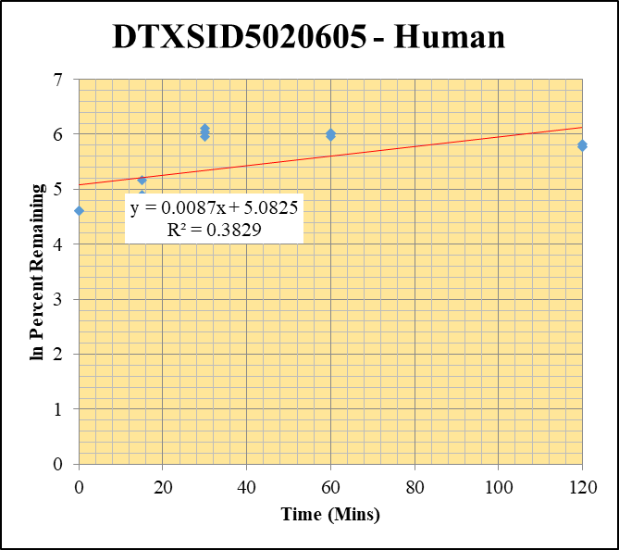
Blank____1_003 | DTXSID5020605 | 57.1 | 42708.374918 | 2625152.1463 | 0.016268914158 |  |  |  | DTXSID5020605 - Human | Time (Mins) | % Remaining Replica 1 | % Remaining Replica 2 | % Remaining Replica 3 | Average
Blank____2_004 | DTXSID5020605 | 57.1 | 23995.278451 | 1882735.5676 | 0.012744901017 |  |  |  | Time (Mins) | 120 | 319.9% | 340.45% | 320.0% | 326.8%
Blank____3_005 | DTXSID5020605 | 57.1 | 47658.872162 | 2777127.2388 | 0.017161213032 |  |  |  | ln Percent Remaining | 60 | 385.5% | 416.78% | 409.7% | 404.0%
DTXSID5020605_10uM___120_1_316 | DTXSID5020605 | 57.1 | 24438050.158 | 1276748.4042 | 19.140850364 | 319.91367736 | 120 | 5.7680512012 |  | 30 | 388.9% | 422.3% | 451.2% | 420.8%
DTXSID5020605_10uM___120_2_317 | DTXSID5020605 | 57.1 | 25224383.875 | 1317048.4082 | 19.1522071 | 340.45257569 | 120 | 5.8302758374 |  | 15 | 174.2% | 135.0% | 114.4% | 141.2%
DTXSID5020605_10uM___120_3_318 | DTXSID5020605 | 57.1 | 24674706.502 | 1431352.1856 | 17.23873883 | 319.95277219 | 120 | 5.768173398 |  | 0 | 100% | 100% | 100% | 100%
DTXSID5020605_10uM___60_1_319 | DTXSID5020605 | 57.1 | 26859404.701 | 1164704.9411 | 23.061123684 | 385.48852575 | 60 | 5.954511428
DTXSID5020605_10uM___60_2_320 | DTXSID5020605 | 57.1 | 27967981.641 | 1193049.6305 | 23.442429322 | 416.77756359 | 60 | 6.0325526588 |  | Slope | 0.0087
DTXSID5020605_10uM___60_3_321 | DTXSID5020605 | 57.1 | 27364734.008 | 1239931.3792 | 22.069555192 | 409.69334777 | 60 | 6.0154089476 |  | Intercept | 5.08
DTXSID5020605_10uM___30_1_322 | DTXSID5020605 | 57.1 | 28320485.815 | 1217266.8886 | 23.265633921 | 388.90939126 | 30 | 5.9633463891 |  | R2 | 0.383
DTXSID5020605_10uM___30_2_323 | DTXSID5020605 | 57.1 | 28848408.789 | 1214513.0462 | 23.753066202 | 422.30393375 | 30 | 6.045725277 |  | T½ (mins)
DTXSID5020605_10uM___30_3_324 | DTXSID5020605 | 57.1 | 28776620.968 | 1184002.0891 | 24.304535638 | 451.21188554 | 30 | 6.1119370419 |  | CLint (µl/min/106 cells) | 0.0
DTXSID5020605_10uM___15_1_325 | DTXSID5020605 | 57.1 | 19868288.499 | 1905402.5388 | 10.427344403 | 174.16189277 | 15 | 5.1599852849 |  | Comments
DTXSID5020605_10uM___15_2_326 | DTXSID5020605 | 57.1 | 13925286.042 | 1832019.0009 | 7.6010598335 | 134.9524571 | 15 | 4.9049225468
DTXSID5020605_10uM___15_3_327 | DTXSID5020605 | 57.1 | 11676974.922 | 1891486.2017 | 6.1734391252 | 114.39613537 | 15 | 4.7396672967
DTXSID5020605_10uM___0_1_328 | DTXSID5020605 | 57.1 | 10799112.891 | 1801740.9085 | 5.9937102169 | 100 | 0 | 4.605170186
DTXSID5020605_10uM___0_2_329 | DTXSID5020605 | 57.1 | 9986025.7325 | 1771707.6315 | 5.6363846691 | 100 | 0 | 4.605170186
DTXSID5020605_10uM___0_3_330 | DTXSID5020605 | 57.1 | 9603640.1411 | 1778951.9165 | 5.3984821354 | 100 | 0 | 4.605170186

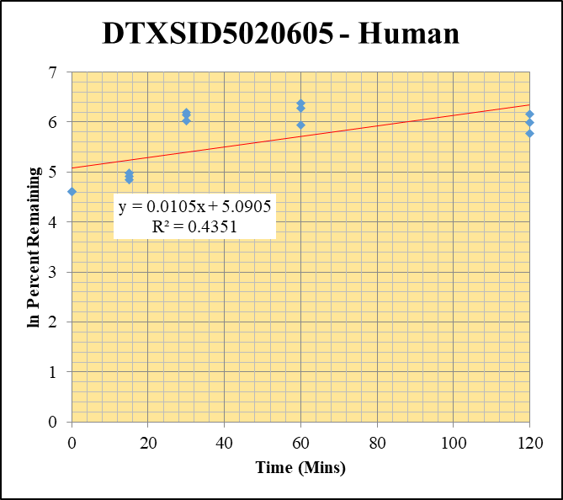
Blank____1_003 | DTXSID5020605 | 57.1 | 42708.374918 | 2625152.1463 | 0.016268914158 |  |  |  | DTXSID5020605 - Human | Time (Mins) | % Remaining Replica 1 | % Remaining Replica 2 | % Remaining Replica 3 | Average
Blank____2_004 | DTXSID5020605 | 57.1 | 23995.278451 | 1882735.5676 | 0.012744901017 |  |  |  | Time (Mins) | 120 | 323.4% | 470.3% | 402.0% | 398.6%
Blank____3_005 | DTXSID5020605 | 57.1 | 47658.872162 | 2777127.2388 | 0.017161213032 |  |  |  | ln Percent Remaining | 60 | 381.3% | 535.0% | 586.3% | 500.9%
DTXSID5020605_1uM___120_1_298 | DTXSID5020605 | 57.1 | 14700162.625 | 1173423.8744 | 12.527580992 | 323.44502072 | 120 | 5.7790291481 |  | 30 | 416.6% | 463.0% | 489.5% | 456.4%
DTXSID5020605_1uM___120_2_299 | DTXSID5020605 | 57.1 | 21769276.218 | 1396392.6965 | 15.589652017 | 470.30498014 | 120 | 6.1533813782 |  | 15 | 146.5% | 137.1% | 126.7% | 136.8%
DTXSID5020605_1uM___120_3_300 | DTXSID5020605 | 57.1 | 16923146.018 | 1356914.7644 | 12.471782652 | 402.02216183 | 120 | 5.996507216 |  | 0 | 100% | 100% | 100% | 100%
DTXSID5020605_1uM___60_1_301 | DTXSID5020605 | 57.1 | 18002568.642 | 1219107.4014 | 14.767007912 | 381.3350884 | 60 | 5.9436784857
DTXSID5020605_1uM___60_2_302 | DTXSID5020605 | 57.1 | 22375424.585 | 1261824.0577 | 17.732602615 | 535.0169033 | 60 | 6.2822983414 |  | Slope | 0.0105
DTXSID5020605_1uM___60_3_303 | DTXSID5020605 | 57.1 | 22019234.235 | 1211156.3514 | 18.180339977 | 586.26224881 | 60 | 6.373767213 |  | Intercept | 5.09
DTXSID5020605_1uM___30_1_304 | DTXSID5020605 | 57.1 | 21590832.873 | 1338553.4934 | 16.12997387 | 416.56829512 | 30 | 6.032050422 |  | R2 | 0.435
DTXSID5020605_1uM___30_2_305 | DTXSID5020605 | 57.1 | 19986643.683 | 1302136.5619 | 15.349114883 | 463.04134069 | 30 | 6.1378163388 |  | T½ (mins)
DTXSID5020605_1uM___30_3_306 | DTXSID5020605 | 57.1 | 20423419.801 | 1345329.4456 | 15.180980293 | 489.45980686 | 30 | 6.193302348 |  | CLint (µl/min/106 cells) | 0.0
DTXSID5020605_1uM___15_1_307 | DTXSID5020605 | 57.1 | 11253173.378 | 1980065.8668 | 5.6832318394 | 146.51590004 | 15 | 4.9871339552 |  | Comments
DTXSID5020605_1uM___15_2_308 | DTXSID5020605 | 57.1 | 7704729.244 | 1691105.7875 | 4.5560303211 | 137.11630094 | 15 | 4.9208294777
DTXSID5020605_1uM___15_3_309 | DTXSID5020605 | 57.1 | 6995812.2397 | 1774472.8002 | 3.94247364 | 126.74409336 | 15 | 4.8421700407
DTXSID5020605_1uM___0_1_310 | DTXSID5020605 | 57.1 | 6669129.2213 | 1717163.8976 | 3.8838047029 | 100 | 0 | 4.605170186
DTXSID5020605_1uM___0_2_311 | DTXSID5020605 | 57.1 | 5751542.1295 | 1728791.2909 | 3.3269152615 | 100 | 0 | 4.605170186
DTXSID5020605_1uM___0_3_312 | DTXSID5020605 | 57.1 | 5524802.372 | 1774281.2578 | 3.1138255831 | 100 | 0 | 4.605170186

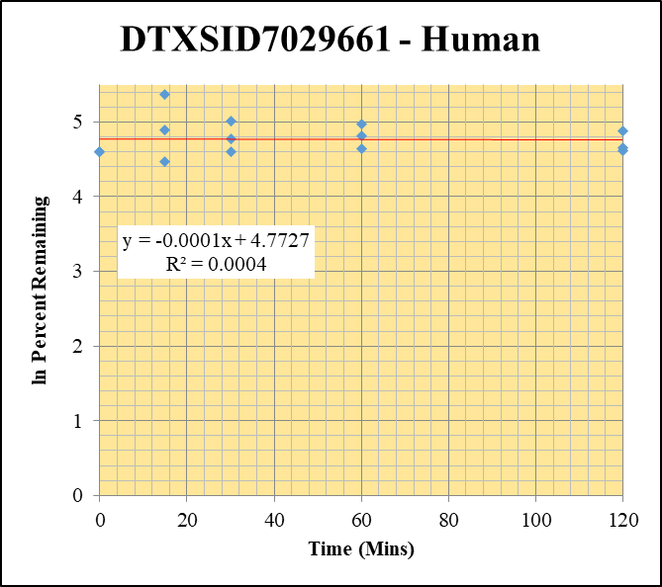
Blank____1_003 | DTXSID7029661 | 57.1 | 52323.395334 | 2625152.1463 | 0.019931566789 |  |  |  | DTXSID7029661 - Human | Time (Mins) | % Remaining Replica 1 | % Remaining Replica 2 | % Remaining Replica 3 | Average
Blank____2_004 | DTXSID7029661 | 57.1 | 42891.507916 | 1882735.5676 | 0.022781482782 |  |  |  | Time (Mins) | 120 | 105.0% | 130.9% | 100.9% | 112.3%
Blank____3_005 | DTXSID7029661 | 57.1 | 67693.349888 | 2777127.2388 | 0.024375314512 |  |  |  | ln Percent Remaining | 60 | 104.1% | 122.7% | 144.0% | 123.6%
DTXSID7029661_10uM___120_1_172 | DTXSID7029661 | 57.1 | 38700596.225 | 1298082.8408 | 29.813656731 | 104.97981252 | 120 | 4.6537680699 |  | 30 | 100.2% | 150.4% | 117.6% | 122.7%
DTXSID7029661_10uM___120_2_173 | DTXSID7029661 | 57.1 | 36166232.698 | 1111676.1037 | 32.533066581 | 130.93072013 | 120 | 4.8746683293 |  | 15 | 134.1% | 87.7% | 215.9% | 145.9%
DTXSID7029661_10uM___120_3_174 | DTXSID7029661 | 57.1 | 37570234.602 | 1409476.1727 | 26.655459191 | 100.89629141 | 120 | 4.6140931716 |  | 0 | 100% | 100% | 100% | 100%
DTXSID7029661_10uM___60_1_175 | DTXSID7029661 | 57.1 | 38937019.375 | 1316861.1402 | 29.568052535 | 104.11434214 | 60 | 4.6454897388
DTXSID7029661_10uM___60_2_176 | DTXSID7029661 | 57.1 | 37549281.708 | 1231563.4499 | 30.489116667 | 122.69909783 | 60 | 4.8097349991 |  | Slope | -0.0001
DTXSID7029661_10uM___60_3_177 | DTXSID7029661 | 57.1 | 34990119.472 | 920229.24096 | 38.023264112 | 143.96185693 | 60 | 4.9695483821 |  | Intercept | 4.77
DTXSID7029661_10uM___30_1_178 | DTXSID7029661 | 57.1 | 38990662.253 | 1369826.2674 | 28.463946985 | 100.22364864 | 30 | 4.6074041752 |  | R2 | 0.000
DTXSID7029661_10uM___30_2_179 | DTXSID7029661 | 57.1 | 37064188.34 | 991900.4564 | 37.366842711 | 150.39784067 | 30 | 5.0132840542 |  | T½ (mins) | 6508.0
DTXSID7029661_10uM___30_3_180 | DTXSID7029661 | 57.1 | 37880930.463 | 1219308.3465 | 31.067556105 | 117.6109914 | 30 | 4.7673824954 |  | CLint (µl/min/106 cells) | 0.2
DTXSID7029661_10uM___15_1_181 | DTXSID7029661 | 57.1 | 40437671.528 | 1062337.2674 | 38.064814978 | 134.05559041 | 15 | 4.8982545677 |  | Comments
DTXSID7029661_10uM___15_2_182 | DTXSID7029661 | 57.1 | 36491586.391 | 1673185.1668 | 21.809652103 | 87.744193352 | 15 | 4.4744256875
DTXSID7029661_10uM___15_3_183 | DTXSID7029661 | 57.1 | 42982244.34 | 754083.54631 | 56.999313339 | 215.85034349 | 15 | 5.3745853133
DTXSID7029661_10uM___0_1_184 | DTXSID7029661 | 57.1 | 38311977.967 | 1348990.5225 | 28.400479712 | 100 | 0 | 4.605170186
DTXSID7029661_10uM___0_2_185 | DTXSID7029661 | 57.1 | 36868316.562 | 1483465.789 | 24.852825617 | 100 | 0 | 4.605170186
DTXSID7029661_10uM___0_3_186 | DTXSID7029661 | 57.1 | 38367792.89 | 1452287.4566 | 26.418869567 | 100 | 0 | 4.605170186

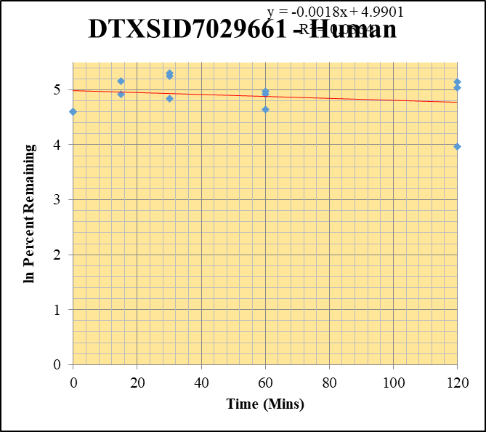
Blank____1_003 | DTXSID7029661 | 57.1 | 52323.395334 | 2625152.1463 | 0.019931566789 |  |  |  | DTXSID7029661 - Human | Time (Mins) | % Remaining Replica 1 | % Remaining Replica 2 | % Remaining Replica 3 | Average
Blank____2_004 | DTXSID7029661 | 57.1 | 42891.507916 | 1882735.5676 | 0.022781482782 |  |  |  | Time (Mins) | 120 | 153.594% | 170.83% | 52.862% | 125.762%
Blank____3_005 | DTXSID7029661 | 57.1 | 67693.349888 | 2777127.2388 | 0.024375314512 |  |  |  | ln Percent Remaining | 60 | 136.77% | 145.089% | 103.01% | 128.29%
DTXSID7029661_1uM___120_1_154 | DTXSID7029661 | 57.1 | 25292316.755 | 1310861.9683 | 19.294416474 | 153.59390738 | 120 | 5.0343121544 |  | 30 | 191.23% | 201.181% | 125.99% | 172.80%
DTXSID7029661_1uM___120_2_155 | DTXSID7029661 | 57.1 | 26263559.389 | 1231595.3874 | 21.324827664 | 170.82956029 | 120 | 5.140666336 |  | 15 | 300.9% | 174.21% | 136.43% | 203.9%
DTXSID7029661_1uM___120_3_156 | DTXSID7029661 | 57.1 | 21713105.295 | 1637164.6687 | 13.262627584 | 52.861607273 | 120 | 3.9676773149 |  | 0 | 100% | 100% | 100% | 100%
DTXSID7029661_1uM___60_1_157 | DTXSID7029661 | 57.1 | 21786358.946 | 1267868.7028 | 17.183450383 | 136.76998526 | 60 | 4.9183005751
DTXSID7029661_1uM___60_2_158 | DTXSID7029661 | 57.1 | 22812664.748 | 1259324.6331 | 18.114999221 | 145.08917839 | 60 | 4.9773485767 |  | Slope | -0.0018
DTXSID7029661_1uM___60_3_159 | DTXSID7029661 | 57.1 | 25986512.031 | 1006361.4009 | 25.82224637 | 103.00574306 | 60 | 4.6347847445 |  | Intercept | 4.99
DTXSID7029661_1uM___30_1_160 | DTXSID7029661 | 57.1 | 26719486.898 | 1112508.5451 | 24.017331836 | 191.23447421 | 30 | 5.2535002888 |  | R2 | 0.036
DTXSID7029661_1uM___30_2_161 | DTXSID7029661 | 57.1 | 27829330.583 | 1108309.9752 | 25.109699638 | 201.1813538 | 30 | 5.304206759 |  | T½ (mins) | 394.5
DTXSID7029661_1uM___30_3_162 | DTXSID7029661 | 57.1 | 30025915.428 | 950841.92561 | 31.578240946 | 125.98648622 | 30 | 4.836174649 |  | CLint (µl/min/106 cells) | 3.5
DTXSID7029661_1uM___15_1_163 | DTXSID7029661 | 57.1 | 32123748.237 | 850301.60947 | 37.779239601 | 300.91376533 | 15 | 5.7068237298 |  | Comments
DTXSID7029661_1uM___15_2_164 | DTXSID7029661 | 57.1 | 28149310.393 | 1294419.0002 | 21.746675837 | 174.21246168 | 15 | 5.1602755985
DTXSID7029661_1uM___15_3_165 | DTXSID7029661 | 57.1 | 35169469.485 | 1028536.6371 | 34.193696379 | 136.42866243 | 15 | 4.9158018584
DTXSID7029661_1uM___0_1_166 | DTXSID7029661 | 57.1 | 24656066.323 | 1961536.7236 | 12.569770439 | 100 | 0 | 4.605170186
DTXSID7029661_1uM___0_2_167 | DTXSID7029661 | 57.1 | 24107741.179 | 1929796.665 | 12.492373739 | 100 | 0 | 4.605170186
DTXSID7029661_1uM___0_3_168 | DTXSID7029661 | 57.1 | 27268477.522 | 1087719.7266 | 25.069396881 | 100 | 0 | 4.605170186

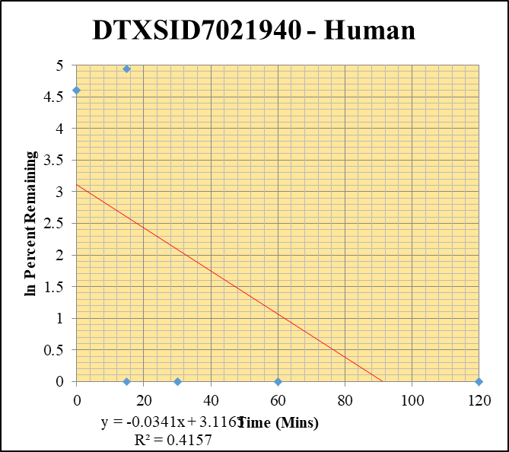
Blank____1_003 | DTXSID7021940 | 56.1 | 0 | 2625152.1463 | 0 |  |  |  | DTXSID7021940 - Human | Time (Mins) | % Remaining Replica 1 | % Remaining Replica 2 | % Remaining Replica 3 | Average
Blank____2_004 | DTXSID7021940 | 56.1 | 0 | 1882735.5676 | 0 |  |  |  | Time (Mins) | 120 | 0.0% | 0.0% | 0.0% | 0.0%
Blank____3_005 | DTXSID7021940 | 56.1 | 0 | 2777127.2388 | 0 |  |  |  | ln Percent Remaining | 60 | 0.0% | 0.0% | 0.0% | 0.0%
DTXSID7021940_10uM___120_1_352 | DTXSID7021940 | 56.1 | 0 | 1174042.5635 | 0 | 0 | 120 | #NUM! |  | 30 | 0.0% | 0.0% | 0.0% | 0.0%
DTXSID7021940_10uM___120_2_353 | DTXSID7021940 | 56.1 | 0 | 1102384.731 | 0 | 0 | 120 | #NUM! |  | 15 | 139.2% | 148.6% | 0.0% | 95.9%
DTXSID7021940_10uM___120_3_354 | DTXSID7021940 | 56.1 | 0 | 1358432.1505 | 0 | 0 | 120 | #NUM! |  | 0 | 100% | 100% | 100% | 100%
DTXSID7021940_10uM___60_1_355 | DTXSID7021940 | 56.1 | 0 | 924268.12997 | 0 | 0 | 60 | #NUM!
DTXSID7021940_10uM___60_2_356 | DTXSID7021940 | 56.1 | 0 | 974261.5559 | 0 | 0 | 60 | #NUM! |  | Slope | 0.0242
DTXSID7021940_10uM___60_3_357 | DTXSID7021940 | 56.1 | 0 | 989201.43849 | 0 | 0 | 60 | #NUM! |  | Intercept | 4.61
DTXSID7021940_10uM___30_1_358 | DTXSID7021940 | 56.1 | 0 | 1237164.2382 | 0 | 0 | 30 | #NUM! |  | R2 | 0.987
DTXSID7021940_10uM___30_2_359 | DTXSID7021940 | 56.1 | 0 | 1154875.6561 | 0 | 0 | 30 | #NUM! |  | T½ (mins)
DTXSID7021940_10uM___30_3_360 | DTXSID7021940 | 56.1 | 0 | 1363586.2302 | 0 | 0 | 30 | #NUM! |  | CLint (µl/min/106 cells) | 0.0
DTXSID7021940_10uM___15_1_361 | DTXSID7021940 | 56.1 | 565497.69234 | 1051391.9513 | 0.53785621206 | 139.1883959 | 15 | 4.9358283816 |  | Comments
DTXSID7021940_10uM___15_2_362 | DTXSID7021940 | 56.1 | 535802.77612 | 901402.8638 | 0.5944098889 | 148.55189882 | 15 | 5.0009343842
DTXSID7021940_10uM___15_3_363 | DTXSID7021940 | 56.1 | 0 | 916592.44763 | 0 | 0 | 15 | #NUM!
DTXSID7021940_10uM___0_1_364 | DTXSID7021940 | 56.1 | 671875.47387 | 1738703.9018 | 0.38642317026 | 100 | 0 | 4.605170186
DTXSID7021940_10uM___0_2_365 | DTXSID7021940 | 56.1 | 632141.46437 | 1579815.8243 | 0.40013617705 | 100 | 0 | 4.605170186
DTXSID7021940_10uM___0_3_366 | DTXSID7021940 | 56.1 | 612864.02766 | 1594149.1908 | 0.38444584184 | 100 | 0 | 4.605170186

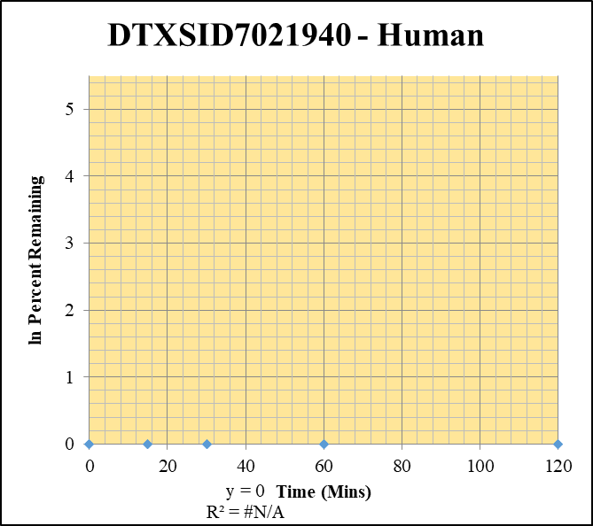
Blank____1_003 | DTXSID7021940 | 56.1 | 0 | 2625152.1463 | 0 |  |  |  | DTXSID7021940 - Human | Time (Mins) | % Remaining Replica 1 | % Remaining Replica 2 | % Remaining Replica 3 | Average
Blank____2_004 | DTXSID7021940 | 56.1 | 0 | 1882735.5676 | 0 |  |  |  | Time (Mins) | 120 | #DIV/0! | #DIV/0! | #DIV/0!
Blank____3_005 | DTXSID7021940 | 56.1 | 0 | 2777127.2388 | 0 |  |  |  | ln Percent Remaining | 60 | #DIV/0! | #DIV/0! | #DIV/0!
DTXSID7021940_1uM___120_1_334 | DTXSID7021940 | 56.1 | 0 | 1236870.9419 | 0 | #DIV/0! | 120 | #DIV/0! |  | 30 | #DIV/0! | #DIV/0! | #DIV/0!
DTXSID7021940_1uM___120_2_335 | DTXSID7021940 | 56.1 | 0 | 1217779.0701 | 0 | #DIV/0! | 120 | #DIV/0! |  | 15 | #DIV/0! | #DIV/0! | #DIV/0!
DTXSID7021940_1uM___120_3_336 | DTXSID7021940 | 56.1 | 0 | 1169635.5068 | 0 | #DIV/0! | 120 | #DIV/0! |  | 0 | #DIV/0! | #DIV/0! | #DIV/0!
DTXSID7021940_1uM___60_1_337 | DTXSID7021940 | 56.1 | 0 | 1003953.1726 | 0 | #DIV/0! | 60 | #DIV/0!
DTXSID7021940_1uM___60_2_338 | DTXSID7021940 | 56.1 | 0 | 929536.44578 | 0 | #DIV/0! | 60 | #DIV/0! |  | Slope
DTXSID7021940_1uM___60_3_339 | DTXSID7021940 | 56.1 | 0 | 927092.69158 | 0 | #DIV/0! | 60 | #DIV/0! |  | Intercept
DTXSID7021940_1uM___30_1_340 | DTXSID7021940 | 56.1 | 0 | 1294671.9221 | 0 | #DIV/0! | 30 | #DIV/0! |  | R2
DTXSID7021940_1uM___30_2_341 | DTXSID7021940 | 56.1 | 0 | 1115870.6488 | 0 | #DIV/0! | 30 | #DIV/0! |  | T½ (mins)
DTXSID7021940_1uM___30_3_342 | DTXSID7021940 | 56.1 | 0 | 553598.45907 | 0 | #DIV/0! | 30 | #DIV/0! |  | CLint (µl/min/106 cells) | 0.00
DTXSID7021940_1uM___15_1_343 | DTXSID7021940 | 56.1 | 0 | 1156236.7692 | 0 | #DIV/0! | 15 | #DIV/0! |  | Comments
DTXSID7021940_1uM___15_2_344 | DTXSID7021940 | 56.1 | 0 | 1112961.4947 | 0 | #DIV/0! | 15 | #DIV/0!
DTXSID7021940_1uM___15_3_345 | DTXSID7021940 | 56.1 | 0 | 533484.00704 | 0 | #DIV/0! | 15 | #DIV/0!
DTXSID7021940_1uM___0_1_346 | DTXSID7021940 | 56.1 | 0 | 1577988.8379 | 0 | #DIV/0! | 0 | #DIV/0!
DTXSID7021940_1uM___0_2_347 | DTXSID7021940 | 56.1 | 0 | 1708578.8768 | 0 | #DIV/0! | 0 | #DIV/0!
DTXSID7021940_1uM___0_3_348 | DTXSID7021940 | 56.1 | 0 | 1536274.1754 | 0 | #DIV/0! | 0 | #DIV/0!

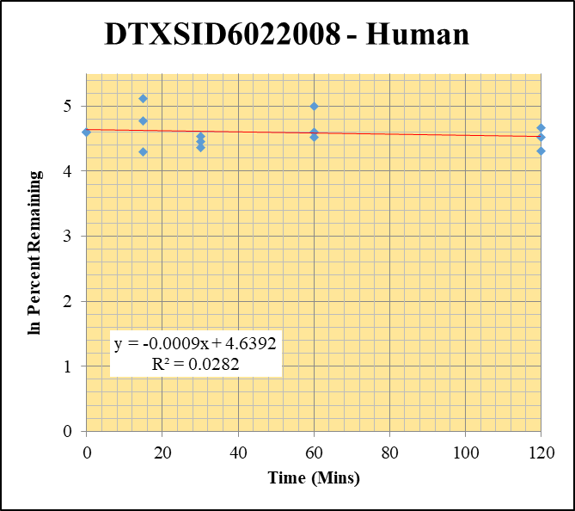
Blank____1_003 | DTXSID6022008 | 56.1 | 0 | 2625152.1463 | 0 |  |  |  | DTXSID6022008 - Human | Time (Mins) | % Remaining Replica 1 | % Remaining Replica 2 | % Remaining Replica 3 | Average
Blank____2_004 | DTXSID6022008 | 56.1 | 0 | 1882735.5676 | 0 |  |  |  | Time (Mins) | 120 | 106.4% | 91.7% | 74.8% | 91.0%
Blank____3_005 | DTXSID6022008 | 56.1 | 0 | 2777127.2388 | 0 |  |  |  | ln Percent Remaining | 60 | 147.6% | 92.0% | 100.0% | 113.2%
DTXSID6022008_10uM___120_1_100 | DTXSID6022008 | 56.1 | 569679.88579 | 1345109.2091 | 0.42351943021 | 106.44260257 | 120 | 4.6676058969 |  | 30 | 93.8% | 78.9% | 86.1% | 86.3%
DTXSID6022008_10uM___120_2_101 | DTXSID6022008 | 56.1 | 488717.99535 | 1418705.0801 | 0.34448174058 | 91.70656234 | 120 | 4.5185939398 |  | 15 | 119.1% | 167.5% | 73.2% | 120.0%
DTXSID6022008_10uM___120_3_102 | DTXSID6022008 | 56.1 | 473370.61112 | 1429097.3204 | 0.33123749122 | 74.835128457 | 120 | 4.3152874065 |  | 0 | 100% | 100% | 100% | 100%
DTXSID6022008_10uM___60_1_103 | DTXSID6022008 | 56.1 | 658238.30182 | 1120850.515 | 0.5872668059 | 147.59702334 | 60 | 4.9944857449
DTXSID6022008_10uM___60_2_104 | DTXSID6022008 | 56.1 | 422081.82081 | 1220938.8742 | 0.34570266354 | 92.031591605 | 60 | 4.5221319051 |  | Slope | -0.000873
DTXSID6022008_10uM___60_3_105 | DTXSID6022008 | 56.1 | 539050.858 | 1217488.3563 | 0.44275647912 | 100.03015621 | 60 | 4.6054717026 |  | Intercept | 4.64
DTXSID6022008_10uM___30_1_106 | DTXSID6022008 | 56.1 | 396564.05805 | 1062004.465 | 0.3734109141 | 93.848892614 | 30 | 4.5416859634 |  | R2 | 0.0282
DTXSID6022008_10uM___30_2_107 | DTXSID6022008 | 56.1 | 358523.7807 | 1209302.4015 | 0.29647156927 | 78.925485001 | 30 | 4.3685041795 |  | T½ (mins) | 794
DTXSID6022008_10uM___30_3_108 | DTXSID6022008 | 56.1 | 409205.01725 | 1073910.3418 | 0.38104206778 | 86.087272261 | 30 | 4.4553615754 |  | CLint (µl/min/106 cells) | 1.75
DTXSID6022008_10uM___15_1_109 | DTXSID6022008 | 56.1 | 406743.83544 | 858156.28691 | 0.47397407866 | 119.12330553 | 15 | 4.7801591376 |  | Comments
DTXSID6022008_10uM___15_2_110 | DTXSID6022008 | 56.1 | 435995.31019 | 692791.98265 | 0.62933076755 | 167.53794024 | 15 | 5.1212098345
DTXSID6022008_10uM___15_3_111 | DTXSID6022008 | 56.1 | 406178.0999 | 1253713.8147 | 0.32397991882 | 73.195454878 | 15 | 4.2931333272
DTXSID6022008_10uM___0_1_112 | DTXSID6022008 | 56.1 | 955184.09317 | 2400652.0967 | 0.39788526396 | 100 | 0 | 4.605170186
DTXSID6022008_10uM___0_2_113 | DTXSID6022008 | 56.1 | 920889.61135 | 2451555.7895 | 0.37563477661 | 100 | 0 | 4.605170186
DTXSID6022008_10uM___0_3_114 | DTXSID6022008 | 56.1 | 1176681.717 | 2658428.7641 | 0.44262300079 | 100 | 0 | 4.605170186

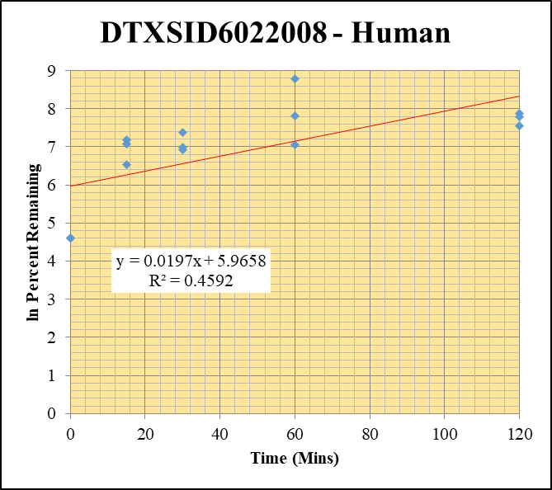
Blank____1_003 | DTXSID6022008 | 56.1 | 0 | 2625152.1463 | 0 |  |  |  | DTXSID6022008 - Human | Time (Mins) | % Remaining Replica 1 | % Remaining Replica 2 | % Remaining Replica 3 | Average
Blank____2_004 | DTXSID6022008 | 56.1 | 0 | 1882735.5676 | 0 |  |  |  | Time (Mins) | 120 | 2431.6% | 2654.2% | 1916.4% | 2334.1%
Blank____3_005 | DTXSID6022008 | 56.1 | 0 | 2777127.2388 | 0 |  |  |  | ln Percent Remaining | 60 | 1151.1% | 2479.0% | 6515.1% | 3381.7%
DTXSID6022008_1uM___120_1_082 | DTXSID6022008 | 56.1 | 780883.13585 | 371509.10715 | 2.1019219202 | 2431.6231769 | 120 | 7.7963142874 |  | 30 | 1024.6% | 1611.5% | 1086.0% | 1240.7%
DTXSID6022008_1uM___120_2_083 | DTXSID6022008 | 56.1 | 850699.28089 | 654390.79805 | 1.2999866187 | 2654.1790871 | 120 | 7.8838906908 |  | 15 | 684.0% | 1329.1% | 1178.7% | 1063.9%
DTXSID6022008_1uM___120_3_084 | DTXSID6022008 | 56.1 | 830449.46582 | 824489.31741 | 1.0072288971 | 1916.3702233 | 120 | 7.5581881671 |  | 0 | 100% | 100% | 100% | 100%
DTXSID6022008_1uM___60_1_085 | DTXSID6022008 | 56.1 | 843665.27794 | 847899.21591 | 0.99500655516 | 1151.080341 | 60 | 7.0484562073
DTXSID6022008_1uM___60_2_086 | DTXSID6022008 | 56.1 | 804961.54954 | 662974.88053 | 1.214165986 | 2478.9593385 | 60 | 7.8155941295 |  | Slope | 0.01972
DTXSID6022008_1uM___60_3_087 | DTXSID6022008 | 56.1 | 959840.64695 | 280303.36464 | 3.4242922777 | 6515.1146636 | 60 | 8.7818800893 |  | Intercept | 5.97
DTXSID6022008_1uM___30_1_088 | DTXSID6022008 | 56.1 | 784935.80854 | 886226.3256 | 0.88570581337 | 1024.6350081 | 30 | 6.9320917385 |  | R2 | 0.459
DTXSID6022008_1uM___30_2_089 | DTXSID6022008 | 56.1 | 723076.28153 | 916111.56478 | 0.78928845496 | 1611.4880574 | 30 | 7.3849132903 |  | T½ (mins)
DTXSID6022008_1uM___30_3_090 | DTXSID6022008 | 56.1 | 647122.261 | 1133699.9908 | 0.57080556256 | 1086.0240275 | 30 | 6.990278625 |  | CLint (µl/min/106 cells) | 0.0
DTXSID6022008_1uM___15_1_091 | DTXSID6022008 | 56.1 | 588329.2999 | 995095.34826 | 0.5912290726 | 683.96751657 | 15 | 6.5279104261 |  | Comments | Control
DTXSID6022008_1uM___15_2_092 | DTXSID6022008 | 56.1 | 646624.10174 | 993279.22046 | 0.65099932468 | 1329.1435222 | 15 | 7.1922900455
DTXSID6022008_1uM___15_3_093 | DTXSID6022008 | 56.1 | 615430.21796 | 993433.88454 | 0.61949791279 | 1178.6668918 | 15 | 7.0721393261
DTXSID6022008_1uM___0_1_094 | DTXSID6022008 | 56.1 | 268328.75568 | 3104180.108 | 0.08644110404 | 100 | 0 | 4.605170186
DTXSID6022008_1uM___0_2_095 | DTXSID6022008 | 56.1 | 121221.14899 | 2474968.849 | 0.048978858475 | 100 | 0 | 4.605170186
DTXSID6022008_1uM___0_3_096 | DTXSID6022008 | 56.1 | 146344.24292 | 2784369.5738 | 0.052559202018 | 100 | 0 | 4.605170186

Data2
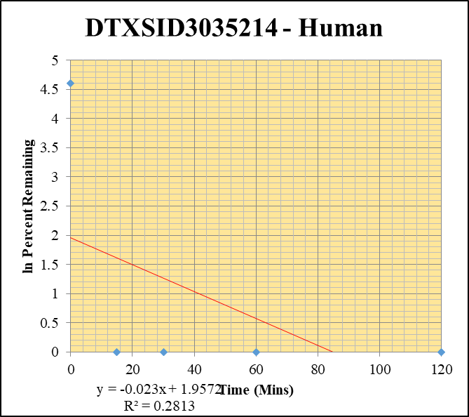
SampleName | CompoundName | Transition | Area | ISTD Area | ISTDResponseRatio | % Remaining | Time (mins) | ln % Remaining | Chart | Table
Blank____1_003 | DTXSID3035214 | 43 | 0 | 2625152.1463 | 0 |  |  |  | DTXSID3035214 - Human | Time (Mins) | % Remaining Replica 1 | % Remaining Replica 2 | % Remaining Replica 3 | Average
Blank____2_004 | DTXSID3035214 | 43 | 0 | 1882735.5676 | 0 |  |  |  | Time (Mins) | 120 | 0% | 0% | 0% | 0%
Blank____3_005 | DTXSID3035214 | 43 | 0 | 2777127.2388 | 0 |  |  |  | ln Percent Remaining | 60 | 0% | 0% | 0.0% | 0%
DTXSID3035214_10uM___120_1_388 | DTXSID3035214 | 43 | 0 | 909792.31967 | 0 | 0 | 120 | #NUM! |  | 30 | 0.0% | 0.0% | 0% | 0.0%
DTXSID3035214_10uM___120_2_389 | DTXSID3035214 | 43 | 0 | 927876.88214 | 0 | 0 | 120 | #NUM! |  | 15 | 0% | 0% | 0.0% | 0.0%
DTXSID3035214_10uM___120_3_390 | DTXSID3035214 | 43 | 0 | 809212.45326 | 0 | 0 | 120 | #NUM! |  | 0 | 100% | 100% | 100% | 100%
DTXSID3035214_10uM___60_1_391 | DTXSID3035214 | 43 | 0 | 778890.38173 | 0 | 0 | 60 | #NUM!
DTXSID3035214_10uM___60_2_392 | DTXSID3035214 | 43 | 0 | 819333.87928 | 0 | 0 | 60 | #NUM! |  | Slope
DTXSID3035214_10uM___60_3_393 | DTXSID3035214 | 43 | 0 | 882997.26441 | 0 | 0 | 60 | #NUM! |  | Intercept
DTXSID3035214_10uM___30_1_394 | DTXSID3035214 | 43 | 0 | 816718.18496 | 0 | 0 | 30 | #NUM! |  | R2
DTXSID3035214_10uM___30_2_395 | DTXSID3035214 | 43 | 0 | 850858.31522 | 0 | 0 | 30 | #NUM! |  | T½ (mins) | >480
DTXSID3035214_10uM___30_3_396 | DTXSID3035214 | 43 | 0 | 1036781.5467 | 0 | 0 | 30 | #NUM! |  | CLint (µl/min/106 cells) | 0.0
DTXSID3035214_10uM___15_1_397 | DTXSID3035214 | 43 | 0 | 884103.52137 | 0 | 0 | 15 | #NUM! |  | Comments
DTXSID3035214_10uM___15_2_398 | DTXSID3035214 | 43 | 0 | 565271.37545 | 0 | 0 | 15 | #NUM!
DTXSID3035214_10uM___15_3_399 | DTXSID3035214 | 43 | 0 | 798117.93535 | 0 | 0 | 15 | #NUM!
DTXSID3035214_10uM___0_1_400 | DTXSID3035214 | 43 | 145703.1625 | 327156.7678 | 0.44536190856 | 100 | 0 | 4.605170186
DTXSID3035214_10uM___0_2_401 | DTXSID3035214 | 43 | 314379.30173 | 1510724.0047 | 0.20809843542 | 100 | 0 | 4.605170186
DTXSID3035214_10uM___0_3_402 | DTXSID3035214 | 43 | 333303.63375 | 1604130.9923 | 0.20777831446 | 100 | 0 | 4.605170186

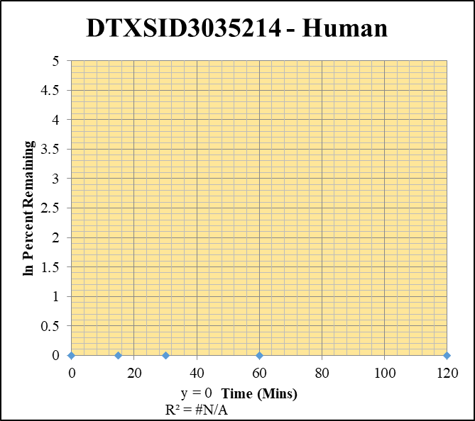
Blank____1_003 | DTXSID3035214 | 43 | 0 | 2625152.1463 | 0 |  |  |  | DTXSID3035214 - Human | Time (Mins) | % Remaining Replica 1 | % Remaining Replica 2 | % Remaining Replica 3 | Average
Blank____2_004 | DTXSID3035214 | 43 | 0 | 1882735.5676 | 0 |  |  |  | Time (Mins) | 120 | #DIV/0! | #DIV/0! | #DIV/0!
Blank____3_005 | DTXSID3035214 | 43 | 0 | 2777127.2388 | 0 |  |  |  | ln Percent Remaining | 60 | #DIV/0! | #DIV/0! | #DIV/0!
DTXSID3035214_1uM___120_1_370 | DTXSID3035214 | 43 | 0 | 942578.03541 | 0 | #DIV/0! | 120 | #DIV/0! |  | 30 | #DIV/0! | #DIV/0! | #DIV/0!
DTXSID3035214_1uM___120_2_371 | DTXSID3035214 | 43 | 0 | 1002742.5774 | 0 | #DIV/0! | 120 | #DIV/0! |  | 15 | #DIV/0! | #DIV/0! | #DIV/0!
DTXSID3035214_1uM___120_3_372 | DTXSID3035214 | 43 | 0 | 910414.19524 | 0 | #DIV/0! | 120 | #DIV/0! |  | 0 | #DIV/0! | #DIV/0! | #DIV/0!
DTXSID3035214_1uM___60_1_373 | DTXSID3035214 | 43 | 0 | 971271.52547 | 0 | #DIV/0! | 60 | #DIV/0!
DTXSID3035214_1uM___60_2_374 | DTXSID3035214 | 43 | 0 | 787227.61042 | 0 | #DIV/0! | 60 | #DIV/0! |  | Slope
DTXSID3035214_1uM___60_3_375 | DTXSID3035214 | 43 | 0 | 746611.33374 | 0 | #DIV/0! | 60 | #DIV/0! |  | Intercept
DTXSID3035214_1uM___30_1_376 | DTXSID3035214 | 43 | 0 | 967492.8665 | 0 | #DIV/0! | 30 | #DIV/0! |  | R2
DTXSID3035214_1uM___30_2_377 | DTXSID3035214 | 43 | 0 | 864785.6316 | 0 | #DIV/0! | 30 | #DIV/0! |  | T½ (mins)
DTXSID3035214_1uM___30_3_378 | DTXSID3035214 | 43 | 0 | 937718.8062 | 0 | #DIV/0! | 30 | #DIV/0! |  | CLint (µl/min/106 cells) | 0.00
DTXSID3035214_1uM___15_1_379 | DTXSID3035214 | 43 | 0 | 800949.33487 | 0 | #DIV/0! | 15 | #DIV/0! |  | Comments
DTXSID3035214_1uM___15_2_380 | DTXSID3035214 | 43 | 0 | 673789.41339 | 0 | #DIV/0! | 15 | #DIV/0!
DTXSID3035214_1uM___15_3_381 | DTXSID3035214 | 43 | 0 | 519309.26154 | 0 | #DIV/0! | 15 | #DIV/0!
DTXSID3035214_1uM___0_1_382 | DTXSID3035214 | 43 | 0 | 1515670.8312 | 0 | #DIV/0! | 0 | #DIV/0!
DTXSID3035214_1uM___0_2_383 | DTXSID3035214 | 43 | 0 | 1463018.6463 | 0 | #DIV/0! | 0 | #DIV/0!
DTXSID3035214_1uM___0_3_384 | DTXSID3035214 | 43 | 0 | 1446066.7081 | 0 | #DIV/0! | 0 | #DIV/0!

